Simpson 1l3
 | 0 | 1 | 2 | 3 | 4 | 5
x | 0.2 | 25 | -200 | 675 | -900 | 400 | f(x)
0.8 | 0.2 | 20 | -128 | 345.6 | -368.64 | 131.072 | 0.232
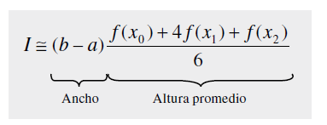

 |  |  |  | 0.01024

Simpson 1l3Tarea
